Location Plan & Summary
Intelligent Data Collection Limited

Client: | Bristol City Council |  |  | Date of Survey: |  | 09.07.2015
Project Number: | ID02343 |  |  | Site Name: |  | Neath Road
Site Number: | ANPR Site 2 |  |  | Survey Type: |  | Two-way Link Count

X Coordinate |  | Y Coordinate |  |  | Google Maps Link
51.463133 |  | -2.553341 |  |  | Click Here
AM Peak Conditions |  | Inter-Peak Conditions |  |  | PM Peak Conditions
Clear and Sunny |  | Clear and Sunny |  |  | Clear and Sunny
Junction Layout

N

 |  |  |  |  |  | Arm B - Neath Rd (N)

 |  |  | Arm A - Neath Rd (S)

Aerial Mapping and On-site Camera View
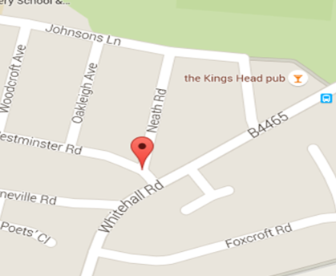
Arm A - Neath Rd (S)

Arm B - Neath Rd (N)

Junction Flow Profile
Arm Approach Flows (All Vehicles)
 | A to B (Northbound) | B to A (Southbound) | Two-way Total
7:00:00 | 2 | 1 | 3
7:15:00 | 1 | 2 | 3
7:30:00 | 4 | 1 | 5
7:45:00 | 3 | 2 | 5
8:00:00 | 5 | 1 | 6
8:15:00 | 2 | 1 | 3
8:30:00 | 7 | 1 | 8
8:45:00 | 6 | 5 | 11
9:00:00 | 6 | 3 | 9
9:15:00 | 1 | 2 | 3
9:30:00 | 3 | 1 | 4
9:45:00 | 2 | 1 | 3
10:00:00 | 1 | 0 | 1
10:15:00 | 1 | 3 | 4
10:30:00 | 2 | 1 | 3
10:45:00 | 2 | 0 | 2
11:00:00 | 4 | 3 | 7
11:15:00 | 4 | 2 | 6
11:30:00 | 4 | 1 | 5
11:45:00 | 1 | 2 | 3
12:00:00 | 2 | 2 | 4
12:15:00 | 4 | 1 | 5
12:30:00 | 1 | 2 | 3
12:45:00 | 4 | 2 | 6
13:00:00 | 3 | 0 | 3
13:15:00 | 1 | 2 | 3
13:30:00 | 3 | 5 | 8
13:45:00 | 5 | 1 | 6
14:00:00 | 1 | 0 | 1
14:15:00 | 4 | 2 | 6
14:30:00 | 4 | 1 | 5
14:45:00 | 3 | 2 | 5
15:00:00 | 1 | 1 | 2
15:15:00 | 8 | 0 | 8
15:30:00 | 4 | 4 | 8
15:45:00 | 4 | 1 | 5
16:00:00 | 3 | 2 | 5
16:15:00 | 4 | 2 | 6
16:30:00 | 4 | 3 | 7
16:45:00 | 5 | 2 | 7
17:00:00 | 4 | 2 | 6
17:15:00 | 2 | 0 | 2
17:30:00 | 4 | 1 | 5
17:45:00 | 4 | 1 | 5
18:00:00 | 5 | 2 | 7
18:15:00 | 4 | 2 | 6
18:30:00 | 3 | 5 | 8
18:45:00 | 1 | 2 | 3

Additional Notes (Factors which may impact on survey results such as accidents, roadworks, special events):

